Test Report
Default Test Run Report

Project Name |  |  | Project 1
User Name |  |  | MTS
Test Name |  |  | MME 3407_S20 50mm Gage Length ASTM E8 Metals Tension (Extensometer-Crosshead) 26
Test Run Name |  |  | Test Run 1
Test Run Date |  |  | 10/6/2020 2:53:41 PM

Test Run Review Graph
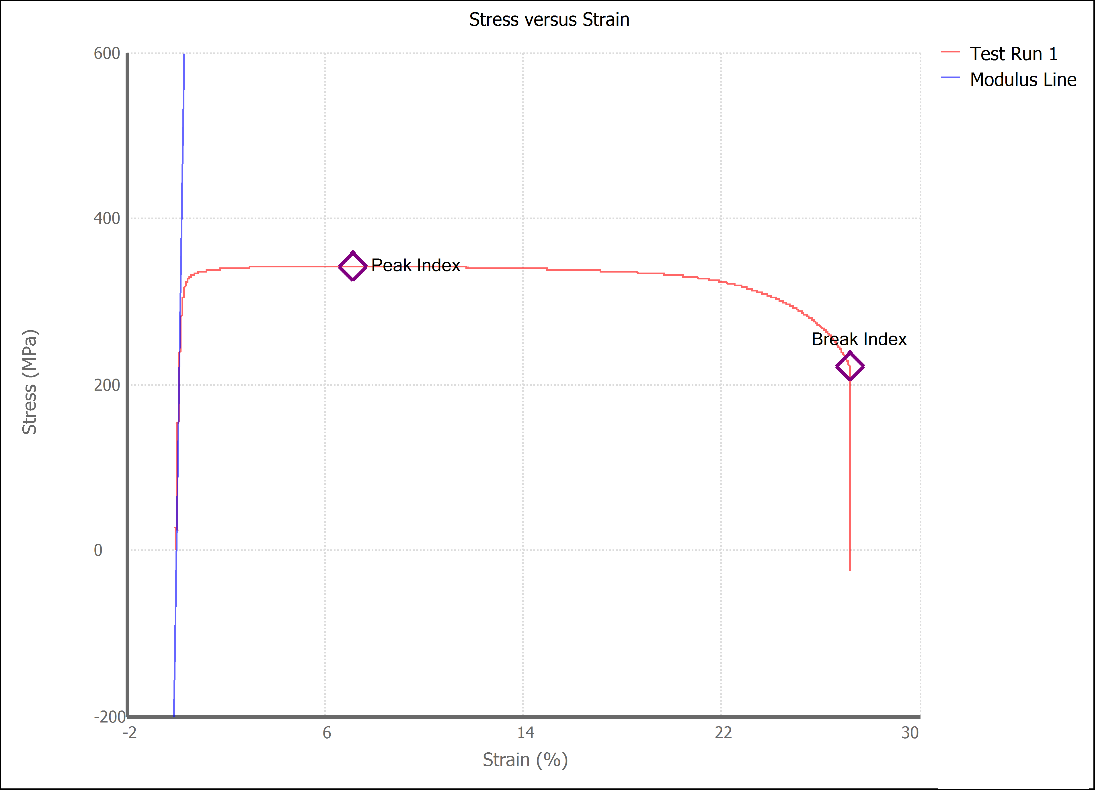

Test Run Results:
Display Name | Value | Unit
Test Run End Reason | Break Detected
Width | 13.490 | mm
Thickness | 3.140 | mm
Final Width | 9.030 | mm
Final Thickness | 1.460 | mm
Test ID | Zach's 1018
Initial Marked Gage Length | 50.000 | mm
Maximum Force | 3260.686 | lbf
Maximum Stress | 342.4 | MPa
Elongation at Fracture | 27.160 | %
Elongation after Break | 32.060 | %
Upper Yield strength | 339.991 | MPa
Modulus of Elasticity | 191732.338 | MPa
Yield Strength (Offset = 0.2%) | 319.273 | MPa
Yield Strength (EUL = 0.5%) | 327.205 | MPa
Removal Point | 1.250 | mm
Ultimate Tensile Strength | 342.416 | MPa
Reduction of Area | 68.8757 | %
Lower Yield Strength | #NUM! | MPa
Final Marked Gage Length | 66.030 | mm

